RR
1
 | CALCULATION COVER SHEET |  |  |  | Date: | 11-May-20
 |  |  |  |  | Author: | Alex Doll
 | Project: | General Engineering |  |  | Calc No:
 | Title: | Fitting Rosin-Rammler parameters to a sieve analysis

Given a data set from a sieve analysis, determine the Rosin Rammler parameters by regression
 | Purpose:

 | Basis / Assumptions:
Data set is assumed to follow a Rosin-Rammler distribution. This distribution is commonly seen in mineral grinding circuits as cyclone overflow or SAG mill feed streams. Plotting the data set on a Rosin-Rammler chart (like the one available at http://www.sagmilling.com) should result in a straight line if the data is suitable for fitting by this method.
Rosin Rammler Regression Check Back transformed data

 | Method:
 |  | Fit the data set entered to the equation:
 |  |  | Y = n * X - n*ln(DN)

 |  | where: | Y = ln(-ln(R)) |  | yrr = ln(-ln(Y))
 |  |  | X = ln(D) |  | xrr = ln(X)
using mm gives different intercept param, but end percentile result is the same
 |  | Refer to Appendix 1 for derivation.
 |  |  |  |  |  |  |  |  |  |  | Error2 | Error3
 | D |  |  | R |  | X | Y | Fitted Y | Fitted %Retain | Fitted %Cumpass | RR |  |  | x = scale(-ln(1-percentile))^1/shape
mm | Sieve, µm | Retain % | Cum % Passing | cum retained |  |  |  |  | 0.0% | 100.0% |  |  |  |  | model |  | raw forcast | modeled forcast
1.18 | 1180 | 0.0325 | 0.9675 | 3.25% |  | 0.166 | 1.231 | 1.23 | 3.2% | 96.8% | 6.1E-08 |  |  |  | function |  | um
0.6 | 600 | 0.0742 | 0.8933 | 10.67% |  | -0.511 | 0.805 | 0.72 | 12.9% | 87.1% | 4.9E-04 |  |  | 95% | 987 |  | 1043 | 1073 | 1073.4691578
0.425 | 425 | 0.0749 | 0.8184 | 18.16% |  | -0.856 | 0.534 | 0.45 | 20.7% | 79.3% | 6.4E-04 |  |  | 84% | 518 |  | 475 | 530
0.3 | 300 | 0.1228 | 0.6957 | 30.43% |  | -1.204 | 0.174 | 0.19 | 29.9% | 70.1% | 3.2E-05 |  |  | 80% | 437 |  | 406 | 440
0.212 | 212 | 0.1192 | 0.5764 | 42.36% |  | -1.551 | -0.152 | -0.08 | 39.6% | 60.4% | 7.8E-04 |  |  | 75% | 359 |  | 355 | 517
0.18 | 180 | 0.0453 | 0.5311 | 46.89% |  | -1.715 | -0.278 | -0.20 | 44.1% | 55.9% | 7.7E-04 |  | Median | 50% | 145 |  | 161 | 219
0.15 | 150 | 0.0480 | 0.4831 | 51.69% |  | -1.897 | -0.416 | -0.34 | 49.1% | 50.9% | 7.0E-04 |  |  | 40% | 97 |  | 104 | 99
0.106 | 106 | 0.0788 | 0.4043 | 59.57% |  | -2.244 | -0.658 | -0.60 | 57.9% | 42.1% | 2.8E-04 |  |  | 25% | 46 |  | 41
0.075 | 75 | 0.0567 | 0.3476 | 65.24% |  | -2.590 | -0.851 | -0.87 | 65.7% | 34.3% | 2.2E-05 |  |  | 16% | 24 |  | 25
0.053 | 53 | 0.0674 | 0.2802 | 71.98% |  | -2.937 | -1.113 | -1.13 | 72.5% | 27.5% | 2.2E-05 |  |  | 5% | 5 |  | 8
0.038 | 38 | 0.0392 | 0.2409 | 75.91% |  | -3.270 | -1.289 | -1.39 | 77.9% | 22.1% | 3.9E-04
0 | 0 | 0.2409 | 0 | 100.00% |  |  |  |  |  | 0
0 |  |  |  | 1 |  |  |  |  |  |  | 4.119E-03 |  | stan dev | Sd | 225.1 | 247 | = | 0.5 (D84 - D16)

y=mx +c |  |  | weibull par
m (slope) | n= | 0.76252695467 | shape
c (intercept) | n * ln(DN) = | 1.1073029094 | intercept
 | DN = | 0.2340666903 | scale |  |  | after fitting
 |  |  |  |  |  | R² = | 0.9935

 | References:

 |  | The Rosin-Rammler plotting system available at
 |  | http://www.sagmilling.com will permit plotting data
 |  | on a Rosin-Rammler Y-axis. Refer to Appendix 2 for
 |  | instructions on how to paste data from this calc
 |  | into the website.
The equation was originally published under:
Rosin, P. and Rammler, E., The Laws Governing the Fineness of Powdered Coal, J. Inst. Fuel, Vol.7, No. 31, pp.29-36, 1933

 |  | http://www.codecogs.com/d-ox/engineering/materials/rosin_rammler.php

RR (2)
1
 | CALCULATION COVER SHEET |  |  |  | Date: | 11-May-20
 |  |  |  |  | Author: | Alex Doll
 | Project: | General Engineering |  |  | Calc No:
 | Title: | Fitting Rosin-Rammler parameters to a sieve analysis

Given a data set from a sieve analysis, determine the Rosin Rammler parameters by regression
 | Purpose:

 | Basis / Assumptions:
Data set is assumed to follow a Rosin-Rammler distribution. This distribution is commonly seen in mineral grinding circuits as cyclone overflow or SAG mill feed streams. Plotting the data set on a Rosin-Rammler chart (like the one available at http://www.sagmilling.com) should result in a straight line if the data is suitable for fitting by this method.
Rosin Rammler Regression Check
Rosin Rammler Regression Check

 | Method:
 |  | Fit the data set entered to the equation:
 |  |  | Y = n * X - n*ln(DN)

#test um (and not mm) |  | where: | Y = ln(-ln(R)) |  | yrr = ln(-ln(Y))
#test ok |  |  | X = ln(D) |  | xrr = ln(X)

 |  | Refer to Appendix 1 for derivation.
 |  |  |  |  |  |  |  | Y=mX+c |  |  |  | Error2 | Error3 |  | x = scale(-ln(1-percentile))^{1/shape}
D |  |  |  | R |  | X | Y | Fitted Y | Fitted %Retain | Fitted %Cumpass |  | RR |  |  |  | forcast function | model function
um | Sieve, µm | Retain % | Cum % Passing | cum retained |  |  |  |  | 0.0% | 100.0% |  |  |  |  |  | before | after
1180 | 1180 | 0.0325 | 0.9675 | 3.25% |  | 7.073 | 1.231 | 1.23 | 3.2% | 96.8% | 4.9E-06 | 6.1E-08 |  |  |  | um
600 | 600 | 0.0742 | 0.8933 | 10.67% |  | 6.397 | 0.805 | 0.72 | 12.9% | 87.1% | 7.7E-03 | 4.9E-04 |  |  | 95% | 1043 | 987
425 | 425 | 0.0749 | 0.8184 | 18.16% |  | 6.052 | 0.534 | 0.45 | 20.7% | 79.3% | 6.3E-03 | 6.4E-04 |  |  | 84% | 475 | 518
300 | 300 | 0.1228 | 0.6957 | 30.43% |  | 5.704 | 0.174 | 0.19 | 29.9% | 70.1% | 2.4E-04 | 3.2E-05 |  |  | 80% | 406 | 437
212 | 212 | 0.1192 | 0.5764 | 42.36% |  | 5.357 | -0.152 | -0.08 | 39.6% | 60.4% | 5.8E-03 | 7.8E-04 |  |  | 75% | 355 | 359
180 | 180 | 0.0453 | 0.5311 | 46.89% |  | 5.193 | -0.278 | -0.20 | 44.1% | 55.9% | 6.0E-03 | 7.7E-04 |  | Median | 50% | 161 | 145
150 | 150 | 0.0480 | 0.4831 | 51.69% |  | 5.011 | -0.416 | -0.34 | 49.1% | 50.9% | 5.8E-03 | 7.0E-04 |  |  | 40% | 104 | 97
106 | 106 | 0.0788 | 0.4043 | 59.57% |  | 4.663 | -0.658 | -0.60 | 57.9% | 42.1% | 2.9E-03 | 2.8E-04 |  |  | 25% | 41 | 46
75 | 75 | 0.0567 | 0.3476 | 65.24% |  | 4.317 | -0.851 | -0.87 | 65.7% | 34.3% | 2.9E-04 | 2.2E-05 |  |  | 16% | 25 | 24
53 | 53 | 0.0674 | 0.2802 | 71.98% |  | 3.970 | -1.113 | -1.13 | 72.5% | 27.5% | 4.0E-04 | 2.2E-05 |  |  | 5% | 8 | 5
38 | 38 | 0.0392 | 0.2409 | 75.91% |  | 3.638 | -1.289 | -1.39 | 77.9% | 22.1% | 9.5E-03 | 3.9E-04
0 | 0 | 0.2409 | 0 | 100.00% |  |  |  |  |  | 0
 |  |  |  | 1 |  |  |  |  |  |  | 4.505E-02 | 4.119E-03 |  | stan dev | Sd | 225.1 | 247 | = | 0.5 (D84 - D16)

y = m x + c |  |  | weibull par
m (slope) | n= | 0.76252695467 | shape
c (intercept) | n * ln(DN) = | -4.160046687
 | DN = | 234.0666903 | scale |  |  | after fitting
 |  |  |  |  |  | R² = | 0.9935 | almost straight line

 | References:

 |  | The Rosin-Rammler plotting system available at
 |  | http://www.sagmilling.com will permit plotting data
 |  | on a Rosin-Rammler Y-axis. Refer to Appendix 2 for
 |  | instructions on how to paste data from this calc
 |  | into the website.
The equation was originally published under:
Rosin, P. and Rammler, E., The Laws Governing the Fineness of Powdered Coal, J. Inst. Fuel, Vol.7, No. 31, pp.29-36, 1933

 |  | http://www.codecogs.com/d-ox/engineering/materials/rosin_rammler.php

RR 1pc
Rosin Rammler Regression Check
1
 | CALCULATION COVER SHEET |  |  |  | Date: | 11-May-20
 |  |  |  |  | Author: | Alex Doll
 | Project: | General Engineering |  |  | Calc No:
 | Title: | Fitting Rosin-Rammler parameters to a sieve analysis

Given a data set from a sieve analysis, determine the Rosin Rammler parameters by regression
 | Purpose:

 | Basis / Assumptions:
Data set is assumed to follow a Rosin-Rammler distribution. This distribution is commonly seen in mineral grinding circuits as cyclone overflow or SAG mill feed streams. Plotting the data set on a Rosin-Rammler chart (like the one available at http://www.sagmilling.com) should result in a straight line if the data is suitable for fitting by this method.

 | Method:
 |  | Fit the data set entered to the equation:
 |  |  | Y = n * X - n*ln(DN)

 |  | where: | Y = ln(-ln(R))
 |  |  | X = ln(D)

 |  |  |  |  |  |  |  |  |  |  | Residual | Error3
 | D |  |  | R |  | X | Y | Fitted Y | Fitted %Retain | Fitted %Cumpass | RR
mm | Sieve, µm | Retain % | Cum % Passing | cum retained |  |  |  |  | 0.0% | 100.0%
1.18 | 1180 | 0.0325 | 0.9675 | 3.25% |  | 0.166 | 1.231 | 1.23 | 3.2% | 96.8% | 6.1E-08
0.6 | 600 | 0.0742 | 0.8933 | 10.67% |  | -0.511 | 0.805 | 0.72 | 12.9% | 87.1% | 4.9E-04
0.425 | 425 | 0.0749 | 0.8184 | 18.16% |  | -0.856 | 0.534 | 0.45 | 20.7% | 79.3% | 6.4E-04
0.3 | 300 | 0.1228 | 0.6957 | 30.43% |  | -1.204 | 0.174 | 0.19 | 29.9% | 70.1% | 3.2E-05
0.212 | 212 | 0.1192 | 0.5764 | 42.36% |  | -1.551 | -0.152 | -0.08 | 39.6% | 60.4% | 7.8E-04
0.18 | 180 | 0.0453 | 0.5311 | 46.89% |  | -1.715 | -0.278 | -0.20 | 44.1% | 55.9% | 7.7E-04
0.15 | 150 | 0.0480 | 0.4831 | 51.69% |  | -1.897 | -0.416 | -0.34 | 49.1% | 50.9% | 7.0E-04
0.106 | 106 | 0.0788 | 0.4043 | 59.57% |  | -2.244 | -0.658 | -0.60 | 57.9% | 42.1% | 2.8E-04
0.075 | 75 | 0.0567 | 0.3476 | 65.24% |  | -2.590 | -0.851 | -0.87 | 65.7% | 34.3% | 2.2E-05
0.053 | 53 | 0.0674 | 0.2802 | 71.98% |  | -2.937 | -1.113 | -1.13 | 72.5% | 27.5% | 2.2E-05
0.038 | 38 | 0.0392 | 0.2409 | 75.91% |  | -3.270 | -1.289 | -1.39 | 77.9% | 22.1% | 3.9E-04
0 | 0 | 0.2409 | 0 | 100.00% |  |  |  |  |  | 0
0 |  |  |  | 1 |  |  |  |  |  |  | 4.119E-03 |  | stan dev | Sd | 225.1 | 247 | = | 0.5 (D84 - D16)
y=mx +c
m (slope) | n= | 0.76252695467
c (intercept) | n * ln(DN) = | 1.1073029094
 | DN = | 0.2340666903

 |  |  |  | =EXP(-c/m) * (-LN(1-Y))^(1/m)*1000

 |  | before | after
 |  | um
 | 95% | 1043 | 987 | 987 |  | 756
 | 84% | 475 | 518 |  |  | 624
 | 80% | 406 | 437 |  |  | 577
 | 75% | 355 | 359 |  |  | 517
Median | 50% | 161 | 145 |  |  | 219
 | 40% | 104 | 97 |  |  | 99
 | 25% | 41 | 46
 | 16% | 25 | 24
 | 5% | 8 | 5

RR 1pc (2)
Rosin Rammler Regression Check
1
 | CALCULATION COVER SHEET |  |  |  | Date: | 11-May-20
 |  |  |  |  | Author: | Alex Doll
 | Project: | General Engineering |  |  | Calc No:
 | Title: | Fitting Rosin-Rammler parameters to a sieve analysis

Given a data set from a sieve analysis, determine the Rosin Rammler parameters by regression
 | Purpose:

 | Basis / Assumptions:
Data set is assumed to follow a Rosin-Rammler distribution. This distribution is commonly seen in mineral grinding circuits as cyclone overflow or SAG mill feed streams. Plotting the data set on a Rosin-Rammler chart (like the one available at http://www.sagmilling.com) should result in a straight line if the data is suitable for fitting by this method.

 | Method:
 |  | Fit the data set entered to the equation:
 |  |  | Y = n * X - n*ln(DN)

 |  | where: | Y = ln(-ln(R))
 |  |  | X = ln(D)

 | x |  | F(x) |  |  | LN(x) | LN(-LN(1-F(X))) |  |  |  | Residual | Error3
 | D |  |  | R |  | xtransform | Ytransform | Fitted Y | Fitted %Retain | Fitted %Cumpass | RR
mm | Sieve, µm | Retain % | Cum % Passing | cum retained |  |  |  |  | 0.0% | 100.0%
1.18 | 1180 | 0.0325 | 0.9675 | 3.25% |  | 7.073 | 1.231 | 1.23 | 3.2% | 96.8% | 6.1E-08
0.6 | 600 | 0.0742 | 0.8933 | 10.67% |  | 6.397 | 0.805 | 0.72 | 12.9% | 87.1% | 4.9E-04
0.425 | 425 | 0.0749 | 0.8184 | 18.16% |  | 6.052 | 0.534 | 0.45 | 20.7% | 79.3% | 6.4E-04
0.3 | 300 | 0.1228 | 0.6957 | 30.43% |  | 5.704 | 0.174 | 0.19 | 29.9% | 70.1% | 3.2E-05
0.212 | 212 | 0.1192 | 0.5764 | 42.36% |  | 5.357 | -0.152 | -0.08 | 39.6% | 60.4% | 7.8E-04
0.18 | 180 | 0.0453 | 0.5311 | 46.89% |  | 5.193 | -0.278 | -0.20 | 44.1% | 55.9% | 7.7E-04
0.15 | 150 | 0.0480 | 0.4831 | 51.69% |  | 5.011 | -0.416 | -0.34 | 49.1% | 50.9% | 7.0E-04
0.106 | 106 | 0.0788 | 0.4043 | 59.57% |  | 4.663 | -0.658 | -0.60 | 57.9% | 42.1% | 2.8E-04
0.075 | 75 | 0.0567 | 0.3476 | 65.24% |  | 4.317 | -0.851 | -0.87 | 65.7% | 34.3% | 2.2E-05
0.053 | 53 | 0.0674 | 0.2802 | 71.98% |  | 3.970 | -1.113 | -1.13 | 72.5% | 27.5% | 2.2E-05
0.038 | 38 | 0.0392 | 0.2409 | 75.91% |  | 3.638 | -1.289 | -1.39 | 77.9% | 22.1% | 3.9E-04
0 | 0 | 0.2409 | 0 | 100.00% |  |  |  |  |  | 0
0 |  |  |  | 1 |  |  |  |  |  |  | 4.119E-03 |  | stan dev | Sd | 225.1 | 247 | = | 0.5 (D84 - D16)
y=mx +c
m (slope) | n= | 0.76252695467
c (intercept) | n * ln(DN) = | -4.160046687
 | DN = | 234.0666903

 |  | before | after
 |  | um
 | 95% | 1043 | 987 |  |  | 756
 | 84% | 475 | 518 |  |  | 624
 | 80% | 406 | 437 |  |  | 577
 | 75% | 355 | 359 |  |  | 517
Median | 50% | 161 | 145 |  |  | 219
 | 40% | 104 | 97 |  |  | 99
 | 25% | 41 | 46
 | 16% | 25 | 24
 | 5% | 8 | 5

RR 2pc
Rosin Rammler Regression Check
1
 | CALCULATION COVER SHEET |  |  |  | Date: | 11-May-20
 |  |  |  |  | Author: | Alex Doll
 | Project: | General Engineering |  |  | Calc No:
 | Title: | Fitting Rosin-Rammler parameters to a sieve analysis

Given a data set from a sieve analysis, determine the Rosin Rammler parameters by regression
 | Purpose:

 | Basis / Assumptions:
Data set is assumed to follow a Rosin-Rammler distribution. This distribution is commonly seen in mineral grinding circuits as cyclone overflow or SAG mill feed streams. Plotting the data set on a Rosin-Rammler chart (like the one available at http://www.sagmilling.com) should result in a straight line if the data is suitable for fitting by this method.

 | Method:
 |  | Fit the data set entered to the equation:
 |  |  | Y = n * X - n*ln(DN) |  |  |  | r | = cumpas observed
 |  |  |  |  |  |  | D | = sieve size in mm
 |  | where: | Y = ln(-ln(R)) |  |  |  | Dn | =EXP(-n * ln(DN) /n)
 |  |  | X = ln(D) |  |  |  | n | = slope ("uniformity constant")

 |  | ln(-ln(R)) | = | n*ln(D) - n*ln(DN)

x |  |  |  | F(x) |  | LN(x) | LN(-LN(1-F(X))) |  |  |  | Residual | Error3
 | D |  |  | R |  | X | Y | Fitted Y | Fitted %Retain | Fitted %Cumpass | RR
mm | Sieve, µm | Retain % | Cum % Passing | cum retained |  |  |  |  | 0.0% | 100.0% |  |  | log sieve | logcumpass
1.18 | 1180 | 0.0325 | 97% | 3.25% |  | 0.166 | 1.231 | 1.21 | 3.5% | 96.5% | 5.1E-06 |  | 3.072 | -0.014 |  |  | -0.022276394711
0.6 | 600 | 0.0742 | 89% | 10.67% |  | -0.511 | 0.805 | 0.79 | 11.1% | 88.9% | 2.3E-05 |  | 2.778 | -0.049
0.425 | 425 | 0.0749 | 82% | 18.16% |  | -0.856 | 0.534 | 0.46 | 20.7% | 79.3% | 6.2E-04 |  | 2.628 | -0.087
0.3 | 300 | 0.1228 | 70% | 30.43% |  | -1.204 | 0.174 | 0.19 | 29.8% | 70.2% | 3.4E-05 |  | 2.477 | -0.158
0.212 | 212 | 0.1192 | 58% | 42.36% |  | -1.551 | -0.152 | -0.08 | 39.5% | 60.5% | 7.9E-04 |  | 2.326 | -0.239
0.18 | 180 | 0.0453 | 53% | 46.89% |  | -1.715 | -0.278 | -0.20 | 44.1% | 55.9% | 7.8E-04 |  | 2.255 | -0.275
0.15 | 150 | 0.0480 | 48% | 51.69% |  | -1.897 | -0.416 | -0.34 | 49.0% | 51.0% | 7.0E-04 |  | 2.176 | -0.316
0.106 | 106 | 0.0788 | 40% | 59.57% |  | -2.244 | -0.658 | -0.60 | 57.9% | 42.1% | 2.8E-04 |  | 2.025 | -0.393
0.075 | 75 | 0.0567 | 35% | 65.24% |  | -2.590 | -0.851 | -0.87 | 65.7% | 34.3% | 2.3E-05 |  | 1.875 | -0.459
0.053 | 53 | 0.0674 | 28% | 71.98% |  | -2.937 | -1.113 | -1.13 | 72.5% | 27.5% | 2.3E-05 |  | 1.724 | -0.553
0.038 | 38 | 0.0392 | 24% | 75.91% |  | -3.270 | -1.289 | -1.39 | 77.9% | 22.1% | 3.9E-04 |  | 1.580 | -0.618
0 | 0 | 0.2409 | 0 | 100.00% |  |  |  |  |  | 0
0 |  |  |  | 1 |  |  |  |  |  |  | 3.675E-03 |  | stan dev | Sd | 225.1 | 247 |  | = | 0.5 (D84 - D16)
y=mx +c |  | 1 | 2
m (slope) | n= | 0.62957940917 | 0.76315539435
c (intercept) | n * ln(DN) = | 1.1073029094 | 1.1087044605
 | DN = | 0.17225181242 | 0.23391676899 | scale paramater

 |  | forecast | Rrmod 2pc | log forcast (GGS pieces)
 |  | um
 | 95% | 1043 | 984 | 1011
 | 84% | 475 | 517 | 471
 | 80% | 406 | 436 | 405
 | 75% | 355 | 359 | 352
 | 50% | 161 | 145 | 160
 | 40% | 104 | 97 | 103
 | 25% | 41 | 46 | 41
 | 16% | 25 | 24 | #DIV/0!
 | 5% | 8 | 5 | #DIV/0!

GGS
Gates/Gaudin/Schumann Plot |  |  |  | http://www.chem.mtu.edu/chem_eng/faculty/kawatra/CM2200_2009_HW_3_sizedist.pdf
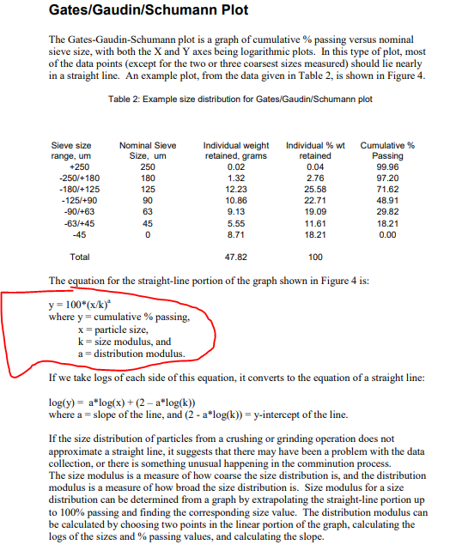
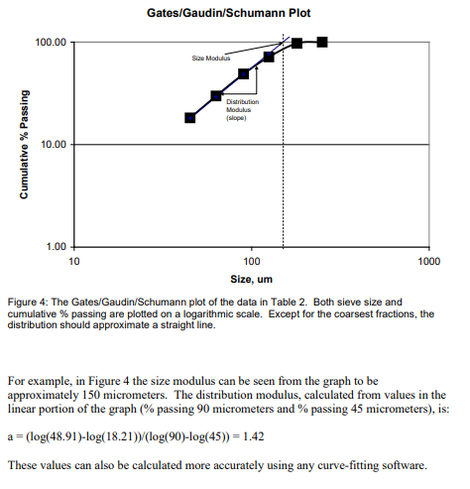

 |  |  |  |  |  |  |  | y = 100*(x/k)a

 |  |  |  |  |  |  |  | log(y) = a * log(x) + (2 - a * log(k))

 |  |  |  |  |  |  |  | 300um and 106um points lie on a straight line, I'll use them to calc. the slope (a):
 |  |  |  |  |  |  |  | a = | 0.522
 |  |  |  |  |  |  |  | k = | 600 | um | chosen from straight line intercept on x-axis
 |  |  |  |  |  |  |  | k = | 607.7630925 | um | solver soln without the two top sizes not on the straight line

sc13f |  |  |  | transform
 | Sieve, µm | Retain % | CumPass | y | residuals
 | 1180 | 0.032527593439 | 0.967 | 1.414 | 0.1990 | - | 1
 | 600 | 0.074167039164 | 0.893 | 0.993 | 0.0100 | - | 95%
 | 425 | 0.074889110477 | 0.818 | 0.830 | 0.0001 | 0.0001 | 84% | 0.062
 | 300 | 0.12275212323 | 0.696 | 0.692 | 0.0000 | 0.0000 | 80% | 0.058
 | 212 | 0.11924491971 | 0.576 | 0.577 | 0.0000 | 0.0000 | 75% | 0.051
 | 180 | 0.045284186638 | 0.531 | 0.530 | 0.0000 | 0.0000 | 50% | 0.024
 | 150 | 0.048034934498 | 0.483 | 0.482 | 0.0000 | 0.0000 | 40% | 0.015
 | 106 | 0.078808926177 | 0.404 | 0.402 | 0.0000 | 0.0000 | 25% | 0.006
 | 75 | 0.056699790255 | 0.348 | 0.336 | 0.0001 | 0.0001 | 16% | 0.003
 | 53 | 0.067427706908 | 0.280 | 0.280 | 0.0000 | 0.0000 | 5% | 0.000
 | 38 | 0.039232541347 | 0.241 | 0.235 | 0.0000 | 0.0000 | 0.83 | 0.062
 | 0 | 0.24093112815
 |  |  |  |  | 0.2093 | 0.0003

 |  |  |  |  |  |  |  | with this method (formula) where "100*" is added in y = 100*(x/k)a, I cannot back calc to to get a percentile that is close to orig. see the sheet

GGS_1pc
 |  |  |  |  |  |  |  | "C:\Users\miked\OneDrive\Calculations\Statistics\A COMPARISON STUDY TO DETERMINE THE MEAN OF PSD for truthful characterization of environmental data (part1).pdf"

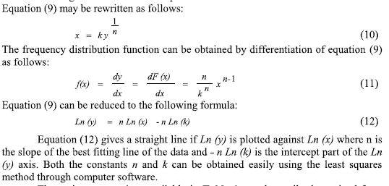
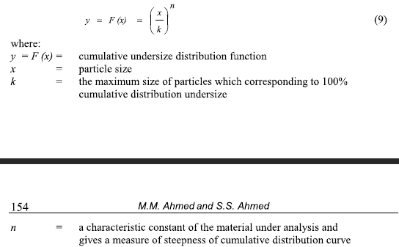

 |  |  |  |  |  |  |  | 300um and 106um points lie on a straight line, I'll use them to calc. the slope (a):

 |  |  |  | y' = (x/k)^n |  |  | parameters | symbols | alternate
 |  |  |  | x' = ky ^ (1/n) |  |  | distribution modulus | n = | a= | 0.522 |  | log slope
 |  |  |  |  |  |  | size mudulus | k = |  | 600 | um | chosen from straight line visual intercept on x-axis
 |  |  |  |  |  |  |  | k = |  | 607.7630925 | um | solver soln without the two top sizes not on the straight line

 |  |  |  | transform |  |  | back transform and predict
sc13f | x |  | y | y'
 | Sieve, µm | Retain % | CumPass |  | error |  | y | x'
 | 1180 | 0.032527593439 | 0.967 | 1.414 | 0.1990 | - | 100% | um
 | 600 | 0.074167039164 | 0.893 | 0.993 | 0.0100 | - | 95% | 550.9
 | 425 | 0.074889110477 | 0.818 | 0.830 | 0.0001 | 0.0001 | 84% | 435.1
 | 300 | 0.12275212323 | 0.696 | 0.692 | 0.0000 | 0.0000 | 80% | 396.3
 | 212 | 0.11924491971 | 0.576 | 0.577 | 0.0000 | 0.0000 | 75% | 350.1
 | 180 | 0.045284186638 | 0.531 | 0.530 | 0.0000 | 0.0000 | 50% | 161.0
 | 150 | 0.048034934498 | 0.483 | 0.482 | 0.0000 | 0.0000 | 40% | 104.9
 | 106 | 0.078808926177 | 0.404 | 0.402 | 0.0000 | 0.0000 | 25% | 42.6
 | 75 | 0.056699790255 | 0.348 | 0.336 | 0.0001 | 0.0001 | 16% | 18.1
 | 53 | 0.067427706908 | 0.280 | 0.280 | 0.0000 | 0.0000 | 5% | 1.9
 | 38 | 0.039232541347 | 0.241 | 0.235 | 0.0000 | 0.0000
 | 0 | 0.24093112815
 |  |  |  |  | 0.2093 | 0.0003

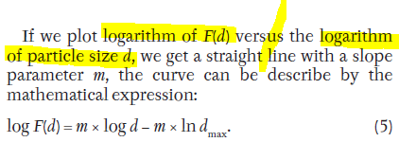
 | x | y |  |  |  |  | note: for computer programming, simply take the log of bothe x and y and linear moddel those.
 | Sieve, µm | CumPass |  | log(x) | log(y) |  | ref: | Vitez, Tomas, and Petr Trávníček. “Particle Size Distribution of a Waste Sand from a Waste Water Treatment Plant with Use of Rosin–Rammler and Gates–Gaudin–Schumann Mathematical Model.” Acta Universitatis Agriculturae et Silviculturae Mendelianae Brunensis 59 (January 1, 2011): 197–201. https://doi.org/10.11118/actaun201159030197.
 | 1180 | 0.967 |  | 3.0718820073
 | 600 | 0.893 |  | 2.7781512504
 | 425 | 0.818 |  | 2.6283889301
 | 300 | 0.696 |  | 2.4771212547
 | 212 | 0.576 |  | 2.3263358609
 | 180 | 0.531 |  | 2.2552725051
 | 150 | 0.483 |  | 2.1760912591
 | 106 | 0.404 |  | 2.0253058653
 | 75 | 0.348 |  | 1.8750612634
 | 53 | 0.280 |  | 1.7242758696
 | 38 | 0.241 |  | 1.5797835966
 | 0 |  |  | #NUM!

PWGGS group
Hypotheses | Ho1 = | All deck feed samples represent the Population feed.
 |  | Thus all distributions are simmilar.
 |  | PSD0 = PSD1 = PSD2 = PSD3 = PSD4 = PSD5
 | Ha 1= | The distribution are not simmilar.

 | Ho2 = | The distributions can be adequately fitted to Mathematical models.
 | Ha2 = | Sieve data cannot be adequatly moddeled

 | Ho3 = | Percentiles of Forecast function does not differ from Model percentiles.
 | Ha3 = | They differ.

Retained_grams | Sieve, µm |  | SC13F | 13Fdeck1 | 13Fdeck2 | 13Fdeck3 | 13Fdeck4 | 13Fdeck5 | Mean13F
 | +1180 | 1180 | 9.46 | 9.95 | 10.08 | 18.17 | 9.95 | 6.01 | 11
 | 1180 -600 | 600 | 21.57 | 22.1 | 22.94 | 34.54 | 22.1 | 16.57 | 23
 | 600 -425 | 425 | 21.78 | 17.730 | 22.96 | 30.65 | 17.73 | 17.75 | 21
 | 425 -300 | 300 | 35.7 | 32.88 | 36.92 | 44.94 | 32.88 | 28.5 | 35
 | 300 -212 | 212 | 34.68 | 36.67 | 34.58 | 49.25 | 36.67 | 33.82 | 38
 | 212 -180 | 180 | 13.17 | 13.09 | 13.84 | 13.22 | 13.09 | 10.26 | 13
 | 180 -150 | 150 | 13.97 | 13.56 | 14.03 | 20.61 | 13.56 | 14.39 | 15
 | 150 -106 | 106 | 22.92 | 23.94 | 24.6 | 28.38 | 23.94 | 23.79 | 25
 | 106 -75 | 75 | 16.49 | 18.12 | 18.84 | 20.32 | 18.12 | 19.79 | 19
 | 75 -53 | 53 | 19.61 | 15.99 | 20.88 | 20.78 | 15.99 | 23.81 | 20
 | 53 -38 | 38 | 11.41 | 11.2 | 12.1 | 15.55 | 11.2 | 12.86 | 12
 | 38 -0 | 0 | 70.07 | 58.96 | 65.72 | 81.12 | 58.96 | 75.39 | 68
 |  | sum | 290.83 | 274.19 | 297.49 | 377.53 | 274.19 | 282.94 | 300

Retained_perc.
(for mean calc) unfitted |  | Mid_size | 1324 | 1359 | 1326 | 1366 | 1303 | 1321 | 1,333
 |  | Mid_size | SC13F | 13Fdeck1 | 13Fdeck2 | 13Fdeck3 | 13Fdeck4 | 13Fdeck5 | Mean13F | StDev s | m + 2 s | m - 2 s
 |  | 1333 | 3.3% | 3.6% | 3.4% | 4.8% | 3.6% | 2.1% | 3.5% | 0.9% | 1.7% | 5%
 |  | 890 | 7.4% | 8.1% | 7.7% | 9.1% | 8.1% | 5.9% | 7.7% | 1.1% | 5.5% | 10%
 |  | 512.5 | 7.5% | 6.5% | 7.7% | 8.1% | 6.5% | 6.3% | 7.1% | 0.8% | 5.5% | 9%
 |  | 362.5 | 12.3% | 12.0% | 12.4% | 11.9% | 12.0% | 10.1% | 11.8% | 0.9% | 10.1% | 13%
 |  | 256 | 11.9% | 13.4% | 11.6% | 13.0% | 13.4% | 12.0% | 12.5% | 0.8% | 10.9% | 14%
 |  | 196 | 4.5% | 4.8% | 4.7% | 3.5% | 4.8% | 3.6% | 4.3% | 0.6% | 3.1% | 5%
 |  | 165 | 4.8% | 4.9% | 4.7% | 5.5% | 4.9% | 5.1% | 5.0% | 0.3% | 4.5% | 6%
 |  | 128 | 7.9% | 8.7% | 8.3% | 7.5% | 8.7% | 8.4% | 8.3% | 0.5% | 7.3% | 9%
 |  | 90.5 | 5.7% | 6.6% | 6.3% | 5.4% | 6.6% | 7.0% | 6.3% | 0.6% | 5.0% | 8%
 |  | 64 | 6.7% | 5.8% | 7.0% | 5.5% | 5.8% | 8.4% | 6.6% | 1.1% | 4.4% | 9%
 |  | 45.5 | 3.9% | 4.1% | 4.1% | 4.1% | 4.1% | 4.5% | 4.1% | 0.2% | 3.7% | 5%
 |  | 19 | 24.1% | 21.5% | 22.1% | 21.5% | 21.5% | 26.6% | 22.9% | 2.1% | 18.7% | 27%
 |  | sum | 1.00 | 1.00 | 1.00 | 1.00 | 1.00 | 1.00 | 100.0%

CumPass unfitted |  | x | y | y | y | y | y | y
 |  | Sieve, µm | SC13F | 13Fdeck1 | 13Fdeck2 | 13Fdeck3 | 13Fdeck4 | 13Fdeck5 | Mean
 | piece1 | 1180 | 0.967 | 0.964 | 0.966 | 0.952 | 0.964 | 0.979 | 1
 | piece2 | 600 | 0.893 | 0.883 | 0.889 | 0.860 | 0.883 | 0.920 | 0.89
 |  | 425 | 0.818 | 0.818 | 0.812 | 0.779 | 0.818 | 0.857 | 1
 | piece3 | 300 | 0.696 | 0.699 | 0.688 | 0.660 | 0.699 | 0.757 | 0.70
 |  | 212 | 0.576 | 0.565 | 0.571 | 0.530 | 0.565 | 0.637 | 1
 |  | 180 | 0.531 | 0.517 | 0.525 | 0.495 | 0.517 | 0.601 | 0.53
 |  | 150 | 0.483 | 0.468 | 0.478 | 0.440 | 0.468 | 0.550 | 0
 |  | 106 | 0.404 | 0.380 | 0.395 | 0.365 | 0.380 | 0.466 | 0.40
 |  | 75 | 0.348 | 0.314 | 0.332 | 0.311 | 0.314 | 0.396 | 0
 |  | 53 | 0.280 | 0.256 | 0.262 | 0.256 | 0.256 | 0.312 | 0.27
 |  | 38 | 0.241 | 0.215 | 0.221 | 0.215 | 0.215 | 0.266 | 0

Splitwise GGS paramaters |  |  | SC13F | 13Fdeck1 | 13Fdeck2 | 13Fdeck3 | 13Fdeck4 | 13Fdeck5 | Mean
slope |  | n1 = | 0.12 | 0.13 | 0.12 | 0.15 | 0.13 | 0.09 | 0.12
(solver, min error) | x0 | k1 = | 1469 | 1538 | 1473 | 1552 | 1426 | 1462 | 1486
slope |  | n2 = | 0.25 | 0.22 | 0.26 | 0.29 | 0.22 | 0.20 | 0.24
(solver, min error) | x0 | k2 = | 936 | 1054 | 938 | 1012 | 1054 | 901 | 983
 |  | n3 = | 0.52 | 0.58 | 0.53 | 0.57 | 0.58 | 0.47 | 0.54
 |  | k3 = | 603 | 567 | 613 | 632 | 567 | 563 | 591
 | x0

 |  | Piecewise straight lines using means
 |  |  | X >= 600um | 600 > X >= 425um | X < 425um
 |  | 1180 | 97% | 105% | 146%
 |  | 600 | 89% | 89% | 101%
 |  | 425 | 86% | 82% | 84%
 |  | 300 | 82% | 75% | 69%
 |  | 212 | 79% | 69% | 57%
 |  | 180 | 77% | 66% | 52%
 |  | 150 | 75% | 63% | 47%
 |  | 106 | 72% | 58% | 39%
 |  | 75 | 69% | 54% | 33%
 |  | 53 | 66% | 49% | 27%
 |  | 38 | 64% | 46% | 23%

GGS Model Fitted: y = ( x / k ) ^ n | 1st range mid |  | 1324 | 1359 | 1326 | 1366 | 1303 | 1321
 | break point (x0)1 | 600
 | break point (x0)2 | 425
QQ Plot
Cummulative |  | x | y1 | y2 | y3 | y4 | y5 | y6
 | n1 ,k1 | 1180 | 97% | 97% | 97% | 96% | 98% | 98% | 0.972
 | n1 ,k1 | 600 | 90% | 89% | 90% | 87% | 89% | 92% | 0.894
Breakpoint | n2 ,k2 | 425 | 82% | 82% | 81% | 78% | 82% | 86% | 0.817
 | n2 ,k2 | 300 | 69% | 69% | 68% | 65% | 69% | 75% | 0.693
 | n3 ,k3 | 212 | 58% | 56% | 57% | 54% | 56% | 63% | 0.574
 | n2 ,k2 | 180 | 53% | 51% | 52% | 49% | 51% | 59% | 0.525
 | n2 ,k2 | 150 | 48% | 46% | 47% | 44% | 46% | 54% | 0.476
 | n2 ,k2 | 106 | 40% | 38% | 39% | 36% | 38% | 46% | 0.395
 | n2 ,k2 | 75 | 34% | 31% | 33% | 30% | 31% | 39% | 0.327
 | n2 ,k2 | 53 | 28% | 25% | 27% | 24% | 25% | 33% | 0.271
 | n2 ,k2 | 38 | 24% | 21% | 23% | 20% | 21% | 28% | 0.227

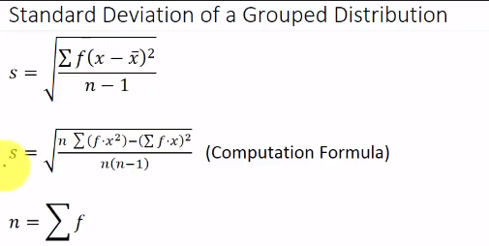
Mean size in observed | Mean Observed |  | 265 | 276 | 272 | 305 | 274 | 225 | 269
Mean size in model | Mean Moddel |  | 260 | 276 | 267 | 300 | 267 | 225 | 266
Standard Deviation Observed distribution | SD Obs |  | 92.6 | 96.1 | 93.7 | 104.2 | 94.1 | 83.0 | 94.3
Standard Deviation of model | SD model |  | 88.9 | 94.6 | 90.1 | 100.2 | 87.9 | 82.1 | 90.9

 | Ressidual squares on cummulative data |  |  |  |  |  |  |  | Mean
Squared residuals |  | 1180 | 0.0000 | 0.0000 | 0.0000 | 0.0001 | 0.0001 | 0.0000 | 0.0000
 |  | 600 | 0.0000 | 0.0000 | 0.0000 | 0.0001 | 0.0001 | 0.0000 | 0.0000
 |  | 425 | 0.0000 | 0.0000 | 0.0000 | 0.0000 | 0.0000 | 0.0000 | 0.0000
 |  | 300 | 0.0000 | 0.0001 | 0.0000 | 0.0000 | 0.0001 | 0.0001 | 0.0000
 |  | 212 | 0.0000 | 0.0000 | 0.0000 | 0.0000 | 0.0000 | 0.0000 | 0.0000
 |  | 180 | 0.0000 | 0.0000 | 0.0000 | 0.0000 | 0.0000 | 0.0002 | 0.0000
 |  | 150 | 0.0000 | 0.0001 | 0.0000 | 0.0000 | 0.0001 | 0.0001 | 0.0000
 |  | 106 | 0.0000 | 0.0000 | 0.0000 | 0.0000 | 0.0000 | 0.0000 | 0.0000
 |  | 75 | 0.0001 | 0.0001 | 0.0000 | 0.0002 | 0.0001 | 0.0000 | 0.0001
 |  | 53 | 0.0000 | 0.0000 | 0.0001 | 0.0002 | 0.0000 | 0.0004 | 0.0000
 |  | 38 | 0.0000 | 0.0001 | 0.0000 | 0.0002 | 0.0001 | 0.0003 | 0.0000

Residual Sum of Squares | SS residuals |  | 0.0002 | 0.0004 | 0.0003 | 0.0008 | 0.0007 | 0.0013 | 0.0003

Mean Square Error (MSE) |  |  | 2.1E-05 | 3.7E-05 | 3.1E-05 | 7.2E-05 | 6.1E-05 | 1.1E-04 | 2.5E-05
Root Mean Sqaure Error (RMSE) | RMSE |  | 0.0046 | 0.0061 | 0.0056 | 0.0085 | 0.0078 | 0.0107 | 0.0050

 |  |  | x1 | x2 | x3 | x4 | x5 | x6 | mean
 | Mid sizes |  | 1324 | 1359 | 1326 | 1366 | 1303 | 1321 | 1333
 |  |  | 890 | 890 | 890 | 890 | 890 | 890 | 890
 |  |  | 513 | 513 | 513 | 513 | 513 | 513 | 513
 |  |  | 363 | 363 | 363 | 363 | 363 | 363 | 363
 |  |  | 256 | 256 | 256 | 256 | 256 | 256 | 256
 |  |  | 196 | 196 | 196 | 196 | 196 | 196 | 196
 |  |  | 165 | 165 | 165 | 165 | 165 | 165 | 165
 |  |  | 128 | 128 | 128 | 128 | 128 | 128 | 128
 |  |  | 91 | 91 | 91 | 91 | 91 | 91 | 91
 |  |  | 64 | 64 | 64 | 64 | 64 | 64 | 64
 |  |  | 46 | 46 | 46 | 46 | 46 | 46 | 46
 |  |  | 19 | 19 | 19 | 19 | 19 | 19 | 19

 | differential modeled frequencies
 |  |  | y1 | y2 | y3 | y4 | y5 | y6 | mean
 |  |  | 2.5% | 3.4% | 2.7% | 4.0% | 2.4% | 1.9% | 2.8%
 |  |  | 7.5% | 8.1% | 7.8% | 9.2% | 8.2% | 5.9% | 7.8%
 |  |  | 8.1% | 6.7% | 8.4% | 8.8% | 7.6% | 6.5% | 7.7%
 |  |  | 12.4% | 12.9% | 12.9% | 12.5% | 12.9% | 11.2% | 12.5%
 |  |  | 11.5% | 12.7% | 11.5% | 11.7% | 12.7% | 11.1% | 11.9%
 |  |  | 4.7% | 5.1% | 4.7% | 4.8% | 5.1% | 4.7% | 4.9%
 |  |  | 4.8% | 5.2% | 4.8% | 4.8% | 5.2% | 4.8% | 4.9%
 |  |  | 8.0% | 8.4% | 8.0% | 7.9% | 8.4% | 8.1% | 8.1%
 |  |  | 6.7% | 6.9% | 6.6% | 6.5% | 6.9% | 6.8% | 6.7%
 |  |  | 5.6% | 5.6% | 5.5% | 5.3% | 5.6% | 5.8% | 5.6%
 |  |  | 4.5% | 4.4% | 4.4% | 4.2% | 4.4% | 4.8% | 4.5%
 |  |  | 23.6% | 20.6% | 22.7% | 20.1% | 20.6% | 28.5% | 22.7%

 | Ressidual squares of frequency data |  |  |  |  |  |  |  | Mean
 |  |  | 5E-05 | 7E-06 | 5E-05 | 6E-05 | 1E-04 | 4E-06 | 4E-05
 |  |  | 3E-07 | 5E-08 | 3E-07 | 6E-07 | 1E-06 | 1E-08 | 3E-07
 |  |  | 4E-05 | 6E-06 | 4E-05 | 5E-05 | 1E-04 | 3E-06 | 4E-05
 |  |  | 7E-07 | 9E-05 | 2E-05 | 4E-05 | 9E-05 | 1E-04 | 5E-05
 |  |  | 2E-05 | 5E-05 | 8E-07 | 2E-04 | 5E-05 | 7E-05 | 5E-05
 |  |  | 5E-06 | 1E-05 | 8E-07 | 2E-04 | 1E-05 | 1E-04 | 3E-05
 |  |  | 7E-08 | 5E-06 | 1E-06 | 4E-05 | 5E-06 | 9E-06 | 4E-07
 |  |  | 2E-06 | 8E-06 | 9E-06 | 2E-05 | 8E-06 | 1E-05 | 1E-06
 |  |  | 1E-04 | 7E-06 | 7E-06 | 1E-04 | 7E-06 | 3E-06 | 2E-05
 |  |  | 1E-04 | 4E-06 | 2E-04 | 3E-06 | 4E-06 | 7E-04 | 9E-05
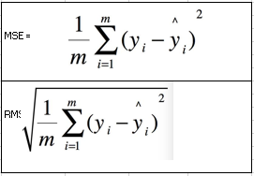
 |  |  | 3E-05 | 1E-05 | 1E-05 | 7E-07 | 1E-05 | 5E-06 | 1E-05
 |  |  | 2E-05 | 8E-05 | 4E-05 | 2E-04 | 8E-05 | 3E-04 | 4E-06
 | SS residuals |  | 4E-04 | 3E-04 | 4E-04 | 8E-04 | 5E-04 | 1E-03 | 3E-04

 | MSE |  | 3.6E-05 | 2.6E-05 | 3.7E-05 | 7.7E-05 | 5.0E-05 | 1.2E-04 | 3.0E-05
 | RMSE |  | 0.0060 | 0.0051 | 0.0061 | 0.0088 | 0.0070 | 0.0110 | 0.0055 |  |  |  | i.e. break the +425um up into two pieces (-890 +425um and -~1335 +890um))
 |  |  |  |  |  |  |  |  |  |  |  |  | This step is added on the next worksheet.
Explained errors |  | 1180 | 53557 | 53150 | 55690 | 62710 | 58938 | 39602 | 53694
SSExplained or SS regression |  | 600 | 39484 | 41744 | 41004 | 49748 | 40631 | 29697 | 40123
 |  | 425 | 49946 | 58496 | 52332 | 67506 | 55395 | 36667 | 52912
 |  | 300 | 48577 | 52599 | 50625 | 67453 | 51669 | 33844 | 50260
 |  | 212 | 55566 | 59462 | 58607 | 75687 | 58474 | 38432 | 57121
 |  | 180 | 65483 | 70858 | 68818 | 87496 | 69778 | 46408 | 67529
 |  | 150 | 66165 | 71675 | 69524 | 88328 | 70589 | 46939 | 68255
 |  | 106 | 64989 | 70461 | 68338 | 87047 | 69384 | 45895 | 67068
 |  | 75 | 67163 | 72917 | 70567 | 89583 | 71822 | 47683 | 69334
 |  | 53 | 68445 | 74335 | 71875 | 91052 | 73229 | 48760 | 70659
 |  | 38 | 69250 | 75205 | 72694 | 91957 | 74093 | 49453 | 71486
 |  | 0 | 67965 | 74166 | 71452 | 90800 | 73061 | 48024 | 70268
 | SS regression |  | 716590 | 775068 | 751527 | 949366 | 767062 | 511403 | 738708

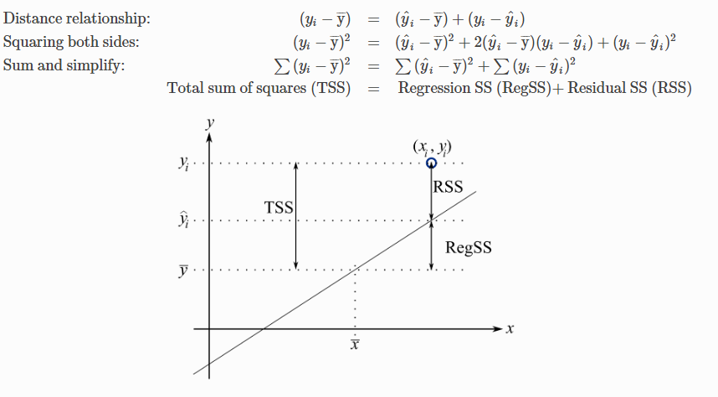
SST = Sum (y observed - mean of observed)^2 |  | 1180 | 49334 | 51498 | 51386 | 57324 | 51498 | 38610 | 49772
 |  | 600 | 39675 | 41825 | 41206 | 50056 | 40997 | 29732 | 40314
 |  | 425 | 51444 | 59101 | 53856 | 69458 | 58115 | 37018 | 54319
 |  | 300 | 48707 | 54185 | 51364 | 68647 | 53242 | 35358 | 51398
 |  | 212 | 55069 | 58569 | 58499 | 73854 | 57587 | 37617 | 56296
 |  | 180 | 65699 | 71230 | 68909 | 88979 | 70148 | 47282 | 68093
 |  | 150 | 66187 | 71871 | 69612 | 87705 | 70783 | 46725 | 68202
 |  | 106 | 65079 | 70263 | 68141 | 87341 | 69188 | 45706 | 66991
 |  | 75 | 67632 | 73044 | 70699 | 90172 | 71948 | 47621 | 69550
 |  | 53 | 68058 | 74264 | 71359 | 90983 | 73159 | 48034 | 70329
 |  | 38 | 69384 | 75289 | 72777 | 91981 | 74176 | 49499 | 71562
 |  | 0 | 67921 | 74072 | 71517 | 90646 | 72968 | 48175 | 70249
 | SS total |  | 714188 | 775212 | 749325 | 947146 | 763808 | 511376 | 737078

R Squared (R2) | R2 |  | 1.0000 | 1.0000 | 1.0000 | 1.0000 | 1.0000 | 1.0000

R Squared (R2) | f(excel) |  | 0.99980 | 0.99988 | 0.99947 | 0.99962 | 0.99969 | 0.99812 |  | =RSQ(C70:C80,C48:C58)

GGS Piecewise Model : | x = k y ^ ( 1 / n ) |  | SC13F | 13Fdeck1 | 13Fdeck2 | 13Fdeck3 | 13Fdeck4 | 13Fdeck5 | Mean13F
 |  | 100% | 1469 | 1538 | 1473 | 1552 | 1426 | 1462 | 1486
Percentiles |  | 95% | 951 | 1034 | 970 | 1101 | 958 | 833 | 981
 |  | 90% | 601 | 680 | 625 | 767 | 631 | 538 | 632
 |  | 84% | 471 | 478 | 484 | 552 | 478 | 388 | 478
 |  | 80% | 393 | 387 | 403 | 466 | 387 | 349 | 392
Q3 |  | 75% | 347 | 347 | 357 | 382 | 347 | 304 | 348
Median |  | 50% | 160 | 173 | 167 | 187 | 173 | 127 | 165
 |  | 40% | 104 | 118 | 110 | 127 | 118 | 79 | 109
Q1 |  | 25% | 42 | 53 | 45 | 56 | 53 | 29 | 46
 |  | 16% | 18 | 25 | 20 | 25 | 25 | 11 | 20
 |  | 10% | 7 | 11 | 8 | 11 | 11 | 4 | 9
 |  | 5% | 2 | 3 | 2 | 3 | 3 | 1 | 2
 |  | 1% | 0 | 0 | 0 | 0 | 0 | 0 | 0.12296614602
Q3 - Q1 |  | IQR | 305 | 294 | 312 | 326 | 294 | 275

 | box plot | error bar | 35.0 | 41.9 | 37.3 | 44.4 | 41.9 | 24.7 | 37.5
 | 10% | Min | 7.30 | 11.04 | 8.14 | 11.12 | 11.04 | 4.03 | 8.53
 | 25% | Q1 | 42 | 53 | 45 | 56 | 53 | 29 | 46
 | 50% | Median | 160 | 173 | 167 | 187 | 173 | 127 | 165
 | 75% | Q3 | 347 | 347 | 357 | 382 | 347 | 304 | 348
 | 90% | Max | 601 | 680 | 625 | 767 | 631 | 538 | 632
 |  | error bar | 254 | 333 | 268 | 385 | 284 | 234 | 284

Other methods
Mean Geometric, Root of percentile product |  |  | 91.99 | 108.61 | 97.54 | 118.32 | 108.61 | 65.41 |  | =SQRT(D16*D84)
Sorting, St. Dev Geometric, Root of percentile ratio |  |  | 5.12 | 4.40 | 4.96 | 4.67 | 4.40 | 5.92 |  | =SQRT(D84/D16)
Mean Geometric, Log of percentile product |  |  | 1.964 | 2.036 | 1.989 | 2.073 | 2.036 | 1.816 |  | =LOG(D16*D84)/2
Sorting, St. Dev Geometric, Log of percentile ratio |  |  | 0.709 | 0.644 | 0.695 | 0.669 | 0.644 | 0.773 |  | '=Log(D84/D16)/2
Mean arithmetic, 2 percentiles |  |  | 195 | 200 | 201 | 219 | 200 | 166 |  | =(D25+D75)/2
Sorting, St. Dev Arithmetic, Root of percentile ratio |  |  | 0.349 | 0.391 | 0.357 | 0.381 | 0.391 | 0.308 |  | =SQRT(D25/D75)

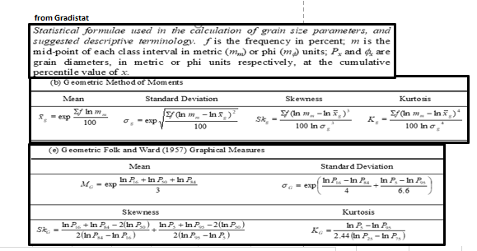
Geometric Method of Moments |  | 1st | 1.439 | 1.424 | 1.431 | 1.408 | 1.425 | 1.475
 |  | 2nd | 0.23727077807

Folk and Ward (1957) Graphical Measures
Mean geometric |  |  | 110.54895793 | 126.91717965 | 116.68045563 | 137.90892003 | 126.91717962 | 81.670613716
Sd |  |  | 0.17281070878 | 0.20016917559 | 0.17867167711 | 0.19192905889 | 0.20248013433 | 0.14619642038

 |  |  | SC13F | 13Fdeck1 | 13Fdeck2 | 13Fdeck3 | 13Fdeck4 | 13Fdeck5 | Mean13F
 |  | 100% | 1469 | 1538 | 1473 | 1552 | 1426 | 1462 | 1486
 |  | 99% | 1349 | 1423 | 1357 | 1451 | 1319 | 1309 | 1370
 |  | 98% | 1238 | 1315 | 1249 | 1355 | 1219 | 1171 | 1262
 |  | 97% | 1135 | 1215 | 1149 | 1265 | 1126 | 1047 | 1161
 |  | 96% | 1039 | 1121 | 1057 | 1181 | 1039 | 934 | 1067
 |  | 95% | 951 | 1034 | 970 | 1101 | 958 | 833 | 981
 |  | 94% | 869 | 952 | 890 | 1025 | 883 | 742 | 900
 |  | 93% | 794 | 877 | 816 | 955 | 813 | 660 | 825
 |  | 92% | 724 | 806 | 748 | 888 | 748 | 599 | 756
 |  | 91% | 660 | 741 | 684 | 825 | 687 | 568 | 692
 |  | 90% | 601 | 680 | 625 | 767 | 631 | 538 | 632
 |  | 89% | 591 | 624 | 603 | 711 | 622 | 510 | 607
 |  | 88% | 566 | 590 | 577 | 659 | 590 | 482 | 579
 |  | 87% | 541 | 561 | 553 | 611 | 561 | 456 | 552
 |  | 86% | 517 | 532 | 529 | 599 | 532 | 431 | 527
 |  | 85% | 493 | 505 | 506 | 575 | 505 | 398 | 502
 |  | 84% | 471 | 478 | 484 | 552 | 478 | 388 | 478
 |  | 83% | 449 | 453 | 462 | 529 | 453 | 378 | 455
 |  | 82% | 428 | 429 | 441 | 508 | 429 | 368 | 432
 |  | 81% | 403 | 396 | 413 | 486 | 396 | 358 | 401
 |  | 80% | 393 | 387 | 403 | 466 | 387 | 349 | 392
 |  | 79% | 384 | 379 | 394 | 446 | 379 | 340 | 383
 |  | 78% | 374 | 371 | 385 | 427 | 371 | 331 | 374
 |  | 77% | 365 | 363 | 375 | 400 | 363 | 322 | 365
 |  | 76% | 356 | 355 | 366 | 391 | 355 | 313 | 357
 |  | 75% | 347 | 347 | 357 | 382 | 347 | 304 | 348
 |  | 74% | 338 | 339 | 349 | 373 | 339 | 295 | 340
 |  | 73% | 330 | 331 | 340 | 364 | 331 | 287 | 331
 |  | 72% | 321 | 323 | 331 | 355 | 323 | 278 | 323
 |  | 71% | 313 | 316 | 322 | 347 | 316 | 270 | 315
 |  | 70% | 304 | 308 | 314 | 338 | 308 | 262 | 307
 |  | 69% | 296 | 301 | 306 | 330 | 301 | 254 | 299
 |  | 68% | 288 | 293 | 297 | 321 | 293 | 246 | 291
 |  | 67% | 280 | 286 | 289 | 313 | 286 | 239 | 283
 |  | 66% | 272 | 279 | 281 | 305 | 279 | 231 | 275
 |  | 65% | 264 | 271 | 273 | 297 | 271 | 224 | 267
 |  | 64% | 256 | 264 | 265 | 289 | 264 | 216 | 260
 |  | 63% | 249 | 257 | 258 | 281 | 257 | 209 | 252
 |  | 62% | 241 | 250 | 250 | 273 | 250 | 202 | 245
 |  | 61% | 234 | 244 | 243 | 266 | 244 | 195 | 238
 |  | 60% | 226 | 237 | 235 | 258 | 237 | 188 | 231
 |  | 59% | 219 | 230 | 228 | 250 | 230 | 182 | 224
 |  | 58% | 212 | 223 | 221 | 243 | 223 | 175 | 217
 |  | 57% | 205 | 217 | 214 | 236 | 217 | 169 | 210
 |  | 56% | 198 | 210 | 207 | 229 | 210 | 162 | 203
 |  | 55% | 192 | 204 | 200 | 221 | 204 | 156 | 197
 |  | 54% | 185 | 198 | 193 | 214 | 198 | 150 | 190
 |  | 53% | 179 | 191 | 186 | 208 | 191 | 144 | 184
 |  | 52% | 172 | 185 | 180 | 201 | 185 | 138 | 177
 |  | 51% | 166 | 179 | 173 | 194 | 179 | 133 | 171
 |  | 50% | 160 | 173 | 167 | 187 | 173 | 127 | 165
 |  | 49% | 154 | 167 | 161 | 181 | 167 | 122 | 159
 |  | 48% | 148 | 162 | 155 | 174 | 162 | 117 | 153
 |  | 47% | 142 | 156 | 149 | 168 | 156 | 111 | 147
 |  | 46% | 136 | 150 | 143 | 162 | 150 | 106 | 142
 |  | 45% | 130 | 145 | 137 | 156 | 145 | 102 | 136
 |  | 44% | 125 | 139 | 131 | 150 | 139 | 97 | 130
 |  | 43% | 120 | 134 | 126 | 144 | 134 | 92 | 125
 |  | 42% | 114 | 129 | 120 | 138 | 129 | 88 | 120
 |  | 41% | 109 | 123 | 115 | 132 | 123 | 83 | 115
 |  | 40% | 104 | 118 | 110 | 127 | 118 | 79 | 109
 |  | 39% | 99 | 113 | 105 | 121 | 113 | 75 | 104
 |  | 38% | 94 | 108 | 100 | 116 | 108 | 71 | 100
 |  | 37% | 90 | 104 | 95 | 110 | 104 | 67 | 95
 |  | 36% | 85 | 99 | 90 | 105 | 99 | 63 | 90
 |  | 35% | 81 | 94 | 85 | 100 | 94 | 59 | 86
 |  | 34% | 76 | 90 | 81 | 95 | 90 | 56 | 81
 |  | 33% | 72 | 85 | 77 | 90 | 85 | 52 | 77
 |  | 32% | 68 | 81 | 72 | 86 | 81 | 49 | 73
 |  | 31% | 64 | 76 | 68 | 81 | 76 | 46 | 68
 |  | 30% | 60 | 72 | 64 | 76 | 72 | 43 | 64
 |  | 29% | 56 | 68 | 60 | 72 | 68 | 40 | 61
 |  | 28% | 53 | 64 | 56 | 68 | 64 | 37 | 57
 |  | 27% | 49 | 60 | 53 | 64 | 60 | 34 | 53
 |  | 26% | 46 | 57 | 49 | 59 | 57 | 31 | 50
 |  | 25% | 42 | 53 | 45 | 56 | 53 | 29 | 46
 |  | 24% | 39 | 49 | 42 | 52 | 49 | 26 | 43
 |  | 23% | 36 | 46 | 39 | 48 | 46 | 24 | 40
 |  | 22% | 33 | 43 | 36 | 44 | 43 | 22 | 36
 |  | 21% | 30 | 39 | 33 | 41 | 39 | 20 | 33
 |  | 20% | 28 | 36 | 30 | 38 | 36 | 18 | 31
 |  | 19% | 25 | 33 | 27 | 34 | 33 | 16 | 28
 |  | 18% | 23 | 30 | 25 | 31 | 30 | 14 | 25
 |  | 17% | 20 | 27 | 22 | 28 | 27 | 13 | 23
 |  | 16% | 18 | 25 | 20 | 25 | 25 | 11 | 20
 |  | 15% | 16 | 22 | 17 | 23 | 22 | 10 | 18
 |  | 14% | 14 | 20 | 15 | 20 | 20 | 8 | 16
 |  | 13% | 12 | 17 | 13 | 18 | 17 | 7 | 14
 |  | 12% | 10 | 15 | 11 | 15 | 15 | 6 | 12
 |  | 11% | 9 | 13 | 10 | 13 | 13 | 5 | 10
 |  | 10% | 7 | 11 | 8 | 11 | 11 | 4 | 9
 |  | 9% | 6 | 9 | 7 | 9 | 9 | 3 | 7
 |  | 8% | 5 | 8 | 5 | 8 | 8 | 2 | 6
 |  | 7% | 4 | 6 | 4 | 6 | 6 | 2 | 4
 |  | 6% | 3 | 5 | 3 | 5 | 5 | 1 | 3
 |  | 5% | 2 | 3 | 2 | 3 | 3 | 1 | 2
 |  | 4% | 1 | 2 | 1 | 2 | 2 | 1 | 2
 |  | 3% | 1 | 1 | 1 | 1 | 1 | 0 | 1
 |  | 2% | 0 | 1 | 0 | 1 | 1 | 0 | 0
 |  | 1% | 0 | 0 | 0 | 0 | 0 | 0 | 0

PWGGS mean 2pc
 | Observed |  | GGS Mod |  | BP_1 |  | BP_2 |  | BP_3 |  | BP_4
1180 | 96% | 1180 | 96% | 600 | 88%
600 | 89% | 600 | 88% | 600 | 20%
425 | 82% | 425 | 81%
300 | 70% | 300 | 68%
212 | 57% | 212 | 57%
180 | 53% | 180 | 53%
150 | 48% | 150 | 48%
106 | 40% | 106 | 41%
75 | 33% | 75 | 34%
53 | 27% | 53 | 29%
38 | 23% | 38 | 25%
Mean13F |  |  | Observed |  |  | GGS Mod |  |  | bp_
 | Sieve, µm | bottom | mass_g | mass_% | cumpas | cumpas | mass_% |  |  |  | slope | max size | bp arrows
 | +1180 | 1180 | 11 | 3.5% | 96% | 96% | 3.9% | i | Bpi | ŷ i | ni | ki | x | y
 | 1180 -600 | 600 | 23 | 7.8% | 89% | 88% | 7.8% | 1 | 600 | 88% | 0.12 | 1619 | 600 | 88%
 | 600 -425 | 425 | 21 | 7.2% | 82% | 81% | 7.5% | 2 | 425 | 81% | 0.49 | 654 | 600 | 20% | 68%
 | 425 -300 | 300 | 35 | 11.8% | 70% | 68% | 12.7%
 | 300 -212 | 212 | 38 | 12.6% | 57% | 57% | 10.7%
 | 212 -180 | 180 | 13 | 4.3% | 53% | 53% | 4.4%
 | 180 -150 | 150 | 15 | 5.0% | 48% | 48% | 4.5%
 | 150 -106 | 106 | 25 | 8.2% | 40% | 41% | 7.6%
 | 106 -75 | 75 | 19 | 6.2% | 33% | 34% | 6.4%
 | 75 -53 | 53 | 20 | 6.5% | 27% | 29% | 5.4%
 | 53 -38 | 38 | 12 | 4.1% | 23% | 25% | 4.4%
 | 38 -0 | 0 | 68 | 22.8% | 0% |  | 24.7%
 |  | sum | 300

QQ Plot - CUMPAS
GGS Modelled
Formula piecewize written out

Piecewise straight lines using means |  | GGS Residuals
 |  | cumpas | mass%
GGS Model Fitted: y = ( x / k ) ^ n |  | 1E-05 | 1E-05
 |  | 8E-06 | 6E-08
 |  | 4E-05 | 1E-05
 |  | 3E-04 | 9E-05
 |  | 7E-06 | 3E-04
 |  | 9E-07 | 3E-06
 |  | 3E-05 | 2E-05
 |  | 1E-04 | 4E-05
 |  | 1E-04 | 3E-06
 |  | 4E-04 | 1E-04
 |  | 3E-04 | 6E-06
 |  |  | 3E-04

 | Q3 | Median | Q1
 | 0 | 0 | 0
 | SS resid | 1E-03 | 1E-03
Mean Square Error (MSE) | MSE | 1.2E-04 | 8.2E-05
Root Mean Sqaure Error (RMSE) | RMSE | 0.0111 | 0.0091
R Squared (R2) | f(excel) = RSQ() | 9.99E-01 | 9.77E-01
Adj R Squared |  | 9.96E-01 | 9.46E-01

 |  | 100% | 1619
Percentiles |  | 95% | 1072
 |  | 90% | 694 |  |  |  |  |  |  |  |  | SS regression deteleted / omitted as it compares to the mean which is useless* (doesn’t tell you much( just a straight line though the Y axis))
 |  | 84% | 459 |  |  |  |  |  |  |  |  | R squared manual calc usses the SS tot which is calculated from the SS regress..thus excel's RSQ formula is used to calc R squared (square of the correlation coeficient)
 |  | 80% | 416
 | Q3 | 75% | 364
 | Median | 50% | 160
 |  | 40% | 102
Percentiles
 | Q1 | 25% | 39
 |  | 16% | 16
 |  | 10% | 6
 |  | 5% | 1
 |  | 1% | 0
 | Q3 - Q1 | IQR

 | box plot | error bar | #DIV/0!
 | 10% | Min | #DIV/0!
 | 25% | Q1 | #DIV/0!
 | 50% | Median | #DIV/0!
 | 75% | Q3 | #DIV/0!
 | 90% | Max | 694
 |  | error bar | #DIV/0!

PWGGS mean 3pc
Mean13F |  |  | Observed |  |  | GGS Mod
 | Sieve, µm | bottom | mass_g | mass_% | cumpas | cumpas | mass_%
 | +1180 | 1180 | 11 | 3.5% | 96% | 96% | 3.6%
 | 1180 -600 | 600 | 23 | 7.8% | 89% | 89% | 7.8%
 | 600 -425 | 425 | 21 | 7.2% | 82% | 81% | 7.2%
 | 425 -300 | 300 | 35 | 11.8% | 70% | 70% | 11.8%
 | 300 -212 | 212 | 38 | 12.6% | 57% | 58% | 11.6%
 | 212 -180 | 180 | 13 | 4.3% | 53% | 53% | 4.8%
 | 180 -150 | 150 | 15 | 5.0% | 48% | 48% | 4.9%
 | 150 -106 | 106 | 25 | 8.2% | 40% | 40% | 8.1%
 | 106 -75 | 75 | 19 | 6.2% | 33% | 34% | 6.7%
 | 75 -53 | 53 | 20 | 6.5% | 27% | 28% | 5.6%
 | 53 -38 | 38 | 12 | 4.1% | 23% | 23% | 4.5%
 | 38 -0 | 0 | 68 | 22.8% | 0% |  | 23.4%
 |  | sum | 300
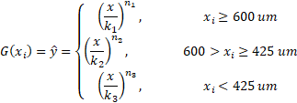
GGS Modelled
Formula piecewize written out

 |  | Piece1 | Piece2 | Piece3 |  | GGS Residuals
 | Model paramaters | X >= 600um | 600 > X >= 425um | X < 425um |  | cumpas | mass%
GGS Model Fitted: y = ( x / k ) ^ n | n (slope) | 0.12 | 0.24 | 0.53 |  | 2E-07 | 2E-07
 | k (x max) | 1583 | 986 | 597 |  | 2E-07 | 1E-09
Piecewise straight lines using means | 1180 | 96% | 104% | 143% |  | 9E-07 | 3E-07
break point 1 | 600 | 89% | 89% | 100% |  | 2E-06 | 3E-07
break point2 | 425 | 85% | 81% | 84% |  | 6E-05 | 8E-05
QQ Plot - CUMPAS
 | 300 | 81% | 75% | 70% |  | 6E-06 | 3E-05
 | 212 | 78% | 69% | 58% |  | 2E-05 | 2E-06
 | 180 | 76% | 66% | 53% |  | 3E-05 | 2E-06
 | 150 | 75% | 63% | 48% |  | 1E-07 | 2E-05
 | 106 | 71% | 58% | 40% |  | 9E-05 | 8E-05
 | 75 | 68% | 53% | 34% |  | 3E-05 | 1E-05
 | 53 | 66% | 49% | 28% |  |  | 3E-05
 | 38 | 63% | 45% | 23%
 | SS resid |  |  |  |  | 2E-04 | 3E-04
Mean Square Error (MSE) | MSE |  |  |  |  | 2.1E-05 | 2.2E-05
Root Mean Sqaure Error (RMSE) | RMSE |  |  |  |  | 0.0046 | 0.0047
R Squared (R2) | f(excel) = RSQ() |  |  |  |  | 0.99988 | 0.99173
Adj. R Squared (R2) |  |  |  |  |  | 0.9997 | 0.9858

GGS Piecewise Model : | x = k y ^ ( 1 / n ) |  | GGS
 |  | 100% | 1583
Percentiles |  | 95% | 1048
 |  | 90% | 678 |  |  |  |  | SS regression deteleted / omitted as it compares to the mean which is useless* (doesn’t tell you much( just a straight line though the Y axis))
 |  | 84% | 483 |  |  |  |  | R squared manual calc usses the SS tot which is calculated from the SS regress..thus excel's RSQ formula is used to calc R squared (square of the correlation coeficient)
 |  | 80% | 391
 | Q3 | 75% | 346
 | Median | 50% | 160
 |  | 40% | 105
 | Q1 | 25% | 43
 |  | 16% | 18
Percentiles
 |  | 10% | 8
 |  | 5% | 2
 |  | 1% | 0.10
 | Q3 - Q1 | IQR | 303

 | box plot | error bar | 35.5
 | 10% | Min | 7.57
 | 25% | Q1 | 43
 | 50% | Median | 160
 | 75% | Q3 | 346
 | 90% | Max | 678
 |  | error bar | 333

 | Q3 | Median | Q1
GGS | 346 | 160 | 43

PWGGS mean 4pc
Mean13F |  |  | Observed |  |  | GGS Mod |  |  | bp_
 | Sieve, µm | bottom | mass_g | mass_% | cumpas | cumpas | mass_% |  |  |  | slope | max size
 | +1180 | 1180 | 11 | 3.5% | 96% | 96% | 3.5% | i | Bpi | ŷ i | ni | ki
 | 1180 -600 | 600 | 23 | 7.8% | 89% | 89% | 7.8% | 1 | 600 | 89% | 0.12 | 1572
 | 600 -425 | 425 | 21 | 7.2% | 82% | 82% | 7.1% | 2 | 425 | 82% | 0.24 | 978
 | 425 -300 | 300 | 35 | 11.8% | 70% | 70% | 11.7% | 3 | 300 | 70% | 0.45 | 668
 | 300 -212 | 212 | 38 | 12.6% | 57% | 57% | 12.5% | 4 | 212 | 57% | 0.54 | 593
 | 212 -180 | 180 | 13 | 4.3% | 53% | 52% | 4.9%
 | 180 -150 | 150 | 15 | 5.0% | 48% | 48% | 4.9%
 | 150 -106 | 106 | 25 | 8.2% | 40% | 39% | 8.1%
 | 106 -75 | 75 | 19 | 6.2% | 33% | 33% | 6.7%
 | 75 -53 | 53 | 20 | 6.5% | 27% | 27% | 5.6%
 | 53 -38 | 38 | 12 | 4.1% | 23% | 23% | 4.5%
 | 38 -0 | 0 | 68 | 22.8% | 0% |  | 22.6%
 |  | sum | 300
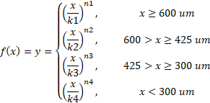
QQ Plot - CUMPAS
GGS Modelled
Formula piecewize written out

Piecewise straight lines using means |  | GGS Residuals
 |  | cumpas | mass%
GGS Model Fitted: y = ( x / k ) ^ n |  | 2E-07 | 2E-07
 |  | 1E-07 | 1E-09
 |  | 6E-07 | 2E-07
 |  | 2E-06 | 2E-07
 |  | 3E-06 | 2E-07
 |  | 2E-05 | 3E-05
 |  | 1E-05 | 8E-07
 |  | 7E-06 | 5E-07
 |  | 6E-05 | 3E-05
 |  | 2E-06 | 8E-05
 |  | 3E-06 | 1E-05
 |  |  | 3E-06

 | SS resid | 1E-04 | 2E-04
Mean Square Error (MSE) | MSE | 9.6E-06 | 1.3E-05
Root Mean Sqaure Error (RMSE) | RMSE | 0.0031 | 0.0037
R Squared (R2) | f(excel) = RSQ() | 0.99989 | 0.99510
Adj R Squared |  | 1.0E+00 | 9.9E-01

 | Q3 | Median | Q1
GGS | 351 | 165 | 46

GGS Piecewise Model : | x = k y ^ ( 1 / n ) |  | GGS
 |  | 100% | 1572
Percentiles |  | 95% | 1040
 |  | 90% | 673 |  |  |  |  |  |  |  |  | SS regression deteleted / omitted as it compares to the mean which is useless* (doesn’t tell you much( just a straight line though the Y axis))
 |  | 84% | 479 |  |  |  |  |  |  |  |  | R squared manual calc usses the SS tot which is calculated from the SS regress..thus excel's RSQ formula is used to calc R squared (square of the correlation coeficient)
 |  | 80% | 406
 | Q3 | 75% | 351
 | Median | 50% | 165
 |  | 40% | 109
 | Q1 | 25% | 46
 |  | 16% | 20
Percentiles
 |  | 10% | 8
 |  | 5% | 2
 |  | 1% | 0
 | Q3 - Q1 | IQR | 306

 | box plot | error bar | 37.3
 | 10% | Min | 8
 | 25% | Q1 | 46
 | 50% | Median | 165
 | 75% | Q3 | 351
 | 90% | Max | 673
 |  | error bar | 322

PWGGS mean 5pc
 | Observed | GGS Mod | BP_1 | BP_2 | BP_3 | BP_4
1180 | 96% | 96% | 1 | 1 | 1 | 1
600 | 89% | 89%
425 | 82% | 81%
300 | 70% | 69%
212 | 57% | 57%
180 | 53% | 52%
150 | 48% | 47%
106 | 40% | 39%
75 | 33% | 33%
53 | 27% | 27%
38 | 23% | 23%
Mean13F |  |  | Observed |  |  | GGS Mod |  |  |  |  | Model paramaters
 | Sieve, µm | bottom | mass_g | mass_% | cumpas | ŷ i | mass_% | Percentiles | size um |  | Breakpoints |  | slope | max size
 | +1180 | 1180 | 11 | 3.5% | 96% | 96% | 3.5% | 100% | 1578 | i | Bpi | ŷ i | ni | ki
 | 1180 -600 | 600 | 23 | 7.8% | 89% | 89% | 7.8% | 95% | 1044 | 1 | 600 | 89% | 0.12 | 1578
 | 600 -425 | 425 | 21 | 7.2% | 82% | 81% | 7.4% | 90% | 676 | 2 | 425 | 81% | 0.24 | 994
 | 425 -300 | 300 | 35 | 11.8% | 70% | 69% | 12.2% | 84% | 486 | 3 | 300 | 69% | 0.45 | 684
 | 300 -212 | 212 | 38 | 12.6% | 57% | 57% | 12.1% | 80% | 416 | 4 | 212 | 57% | 0.57 | 567
 | 212 -180 | 180 | 13 | 4.3% | 53% | 52% | 4.7% | 75% | 360 | 5 | 180 | 52% | 0.53 | 605
 | 180 -150 | 150 | 15 | 5.0% | 48% | 47% | 4.9% | 50% | 165
 | 150 -106 | 106 | 25 | 8.2% | 40% | 39% | 8.0% | 40% | 109 |  |  |  | ni | ki
 | 106 -75 | 75 | 19 | 6.2% | 33% | 33% | 6.7% | 25% | 45 |  | x ≥ 600 um |  | 0.12 | 1578
 | 75 -53 | 53 | 20 | 6.5% | 27% | 27% | 5.6% | 16% | 20 |  | 600 > x ≥ 425 um |  | 0.24 | 994
 | 53 -38 | 38 | 12 | 4.1% | 23% | 23% | 4.4% | 10% | 8 |  | 425 >x ≥ 300 um |  | 0.45 | 684
 | 38 -0 | 0 | 68 | 22.8% | 0% |  | 22.8% | 5% | 2 |  | 300 > x ≥ 212 um |  | 0.57 | 567
 |  | sum | 300 |  |  |  |  |  |  |  | x<212 um |  | 0.53 | 605

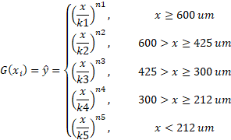
QQ Plot - CUMPAS
GGS Modelled
Formula piecewize written out

Piecewise straight lines using means |  | GGS Residuals
 |  | cumpas | mass%
GGS Model Fitted: y = ( x / k ) ^ n |  | 7E-09 | 7E-09
 |  | 6E-09 | 4E-11
 |  | 6E-06 | 6E-06
 |  | 4E-05 | 1E-05
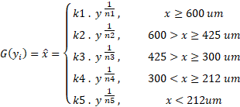
 |  | 4E-06 | 2E-05
 |  | 3E-05 | 1E-05
 |  | 2E-05 | 2E-06
 |  | 6E-06 | 3E-06
 |  | 5E-05 | 2E-05
 |  | 7E-06 | 9E-05
 |  | 7E-08 | 9E-06
 |  |  | 7E-08

 | SS resid | 2E-04 | 2E-04
Mean Square Error (MSE) | MSE | 1.5E-05 | 1.5E-05
Root Mean Sqaure Error (RMSE) | RMSE | 0.0038 | 0.0039
R Squared (R2) | f(excel) = RSQ() | 1.00E+00 | 9.94E-01
Adj R Squared |  | 1.00E+00 | 1.02E+00

model comparison
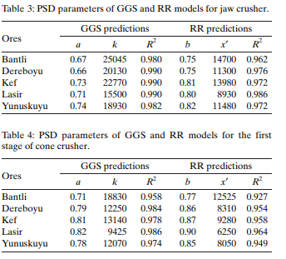
 |  | cumpas |  |  |  | mass%
 |  | 2pc | 3pc | 4pc | 5pc | 2pc | 3pc | 4pc | 5pc
 | SS residual | 1.4E-03 | 2.3E-04 | 1.1E-04 | 1.6E-04 | 9.9E-04 | 2.7E-04 | 1.6E-04 | 1.8E-04
R Squared (R2) | f(excel) = RSQ() | 1.0E+00 | 1.0E+00 | 1.0E+00 | 1.0E+00 | 9.8E-01 | 9.9E-01 | 1.0E+00 | 9.9E-01
Adj. R Sqaured |  | 1.0E+00 | 1.0E+00 | 1.0E+00 | 1.0E+00 | 9.5E-01 | 9.9E-01 | 9.9E-01 | 1.0E+00

 |  | GGS predictions

notes_Piecewise_GGS
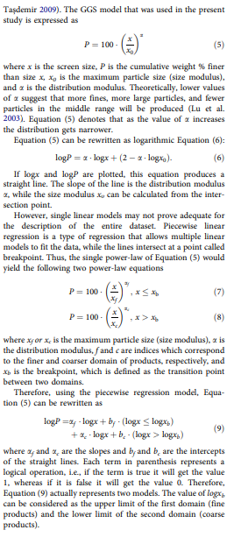
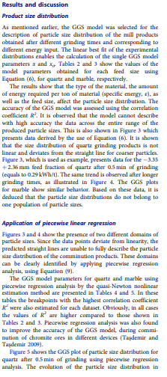

 |  |  |  |  |  |  | +425um | -425um
 |  |  |  |  |  | n = | 0.164 | 0.522
 |  |  |  |  |  | k = | 1326.2 | 607.7630925
 |  |  |  | y = (x/k)^n
 |  |  |  | x = ky ^ (1/n)

sc13f
 | Sieve, µm | Retain % | CumPass | y | error
 | 1180 | 0.032527593439 | 0.967 | 0.981 | 0.0002
 | 600 | 0.074167039164 | 0.893 | 0.878 | 0.0002
 | 425 | 0.074889110477 | 0.818 | 0.830 | 0.0001
 | 300 | 0.12275212323 | 0.696 | 0.692 | 0.0000
 | 212 | 0.11924491971 | 0.576 | 0.577 | 0.0000
 | 180 | 0.045284186638 | 0.531 | 0.530 | 0.0000
 | 150 | 0.048034934498 | 0.483 | 0.482 | 0.0000
 | 106 | 0.078808926177 | 0.404 | 0.402 | 0.0000
 | 75 | 0.056699790255 | 0.348 | 0.336 | 0.0001
 | 53 | 0.067427706908 | 0.280 | 0.280 | 0.0000
 | 38 | 0.039232541347 | 0.241 | 0.235 | 0.0000
 | 0 | 0.24093112815
 |  |  |  |  | 0.0007
 | 95% | 550.9
 | 84% | 435.1
 | 80% | 396.3
 | 75% | 350.1
 | 50% | 161.0
 | 40% | 104.9
 | 25% | 42.6
 | 16% | 18.1
 | 5% | 1.9

error notes
https://www.theanalysisfactor.com/assessing-the-fit-of-regression-models/

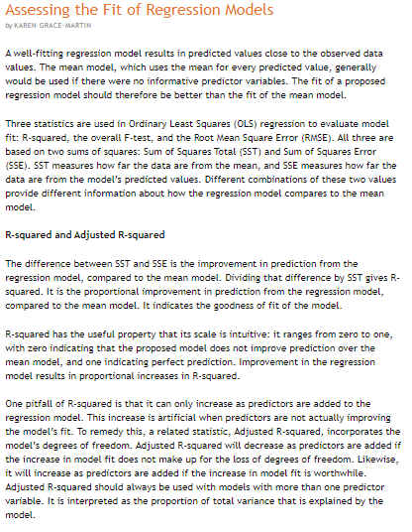
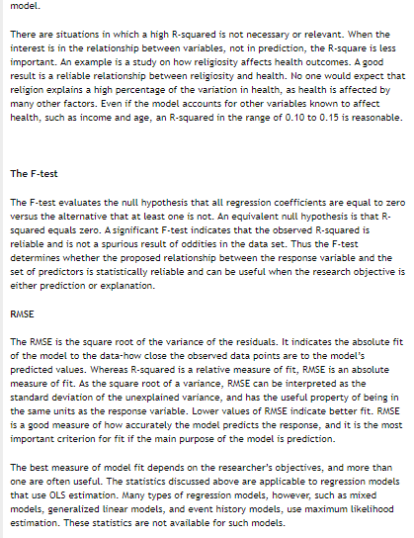

Text copied:

Assessing the Fit of Regression Models
by KAREN GRACE-MARTIN

A well-fitting regression model results in predicted values close to the observed data values. The mean model, which uses the mean for every predicted value, generally would be used if there were no informative predictor variables. The fit of a proposed regression model should therefore be better than the fit of the mean model.

Three statistics are used in Ordinary Least Squares (OLS) regression to evaluate model fit: R-squared, the overall F-test, and the Root Mean Square Error (RMSE). All three are based on two sums of squares: Sum of Squares Total (SST) and Sum of Squares Error (SSE). SST measures how far the data are from the mean, and SSE measures how far the data are from the model’s predicted values. Different combinations of these two values provide different information about how the regression model compares to the mean model.

R-squared and Adjusted R-squared

The difference between SST and SSE is the improvement in prediction from the regression model, compared to the mean model. Dividing that difference by SST gives R-squared. It is the proportional improvement in prediction from the regression model, compared to the mean model. It indicates the goodness of fit of the model.

R-squared has the useful property that its scale is intuitive: it ranges from zero to one, with zero indicating that the proposed model does not improve prediction over the mean model, and one indicating perfect prediction. Improvement in the regression model results in proportional increases in R-squared.

One pitfall of R-squared is that it can only increase as predictors are added to the regression model. This increase is artificial when predictors are not actually improving the model’s fit. To remedy this, a related statistic, Adjusted R-squared, incorporates the model’s degrees of freedom. Adjusted R-squared will decrease as predictors are added if the increase in model fit does not make up for the loss of degrees of freedom. Likewise, it will increase as predictors are added if the increase in model fit is worthwhile. Adjusted R-squared should always be used with models with more than one predictor variable. It is interpreted as the proportion of total variance that is explained by the model.

There are situations in which a high R-squared is not necessary or relevant. When the interest is in the relationship between variables, not in prediction, the R-square is less important. An example is a study on how religiosity affects health outcomes. A good result is a reliable relationship between religiosity and health. No one would expect that religion explains a high percentage of the variation in health, as health is affected by many other factors. Even if the model accounts for other variables known to affect health, such as income and age, an R-squared in the range of 0.10 to 0.15 is reasonable.

The F-test

The F-test evaluates the null hypothesis that all regression coefficients are equal to zero versus the alternative that at least one is not. An equivalent null hypothesis is that R-squared equals zero. A significant F-test indicates that the observed R-squared is reliable and is not a spurious result of oddities in the data set. Thus the F-test determines whether the proposed relationship between the response variable and the set of predictors is statistically reliable and can be useful when the research objective is either prediction or explanation.

RMSE

The RMSE is the square root of the variance of the residuals. It indicates the absolute fit of the model to the data–how close the observed data points are to the model’s predicted values. Whereas R-squared is a relative measure of fit, RMSE is an absolute measure of fit. As the square root of a variance, RMSE can be interpreted as the standard deviation of the unexplained variance, and has the useful property of being in the same units as the response variable. Lower values of RMSE indicate better fit. RMSE is a good measure of how accurately the model predicts the response, and it is the most important criterion for fit if the main purpose of the model is prediction.

The best measure of model fit depends on the researcher’s objectives, and more than one are often useful. The statistics discussed above are applicable to regression models that use OLS estimation. Many types of regression models, however, such as mixed models, generalized linear models, and event history models, use maximum likelihood estimation. These statistics are not available for such models.

Formulas used
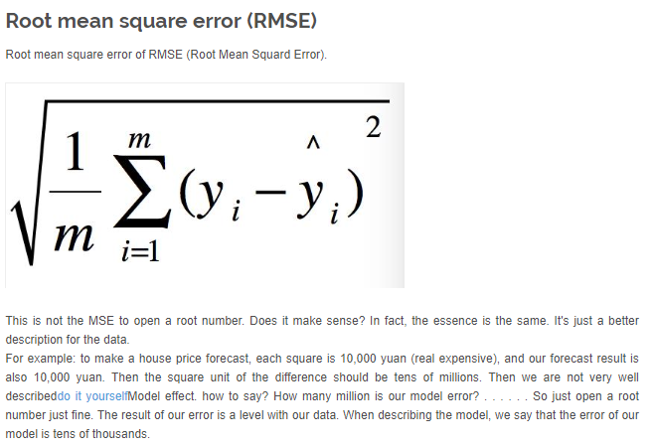
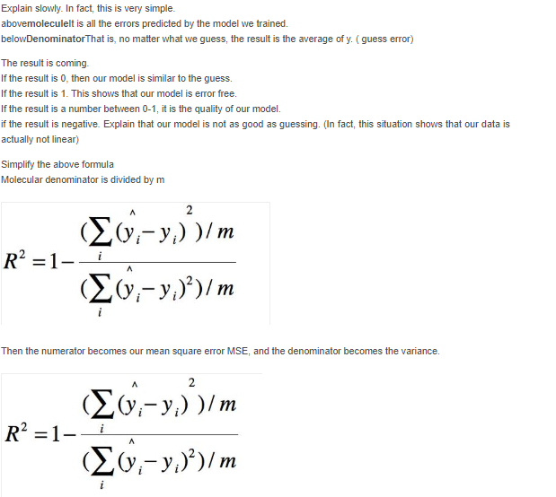
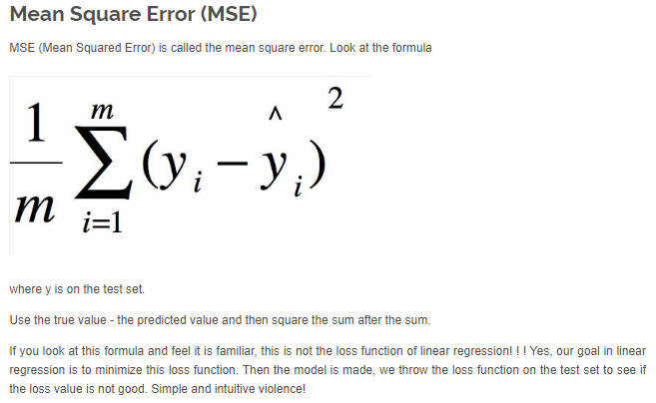
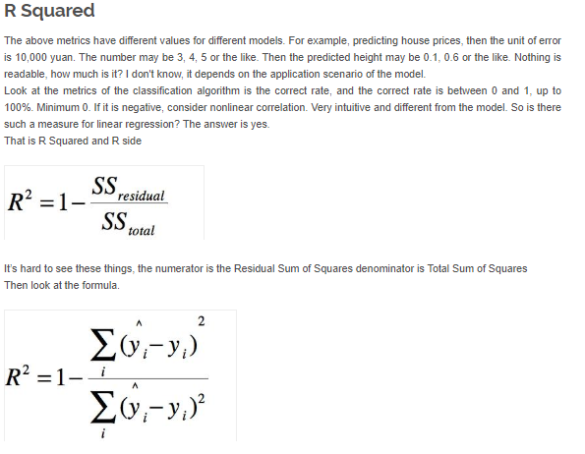

r sqaured | =RSQ(C70:C80,C48:C58)

adjusted r sqaured

